kpi 2
Average of Job Satisfaction
2.6

rating | 2.6 | 0.65663265306
balance rating | 1.4 | 0.34336734694

GENDER
Row Labels | Count of CF_attrition count
Female | 588
Male | 882
Grand Total | 1470

 | female | 588 | 40%
 | male | 882 | 60%

EDUCATION ATTRITION
Row Labels | Sum of CF_attrition count
Doctoral Degree | 5
High School | 31
Associates Degree | 44
Master's Degree | 58
Bachelor's Degree | 99
Grand Total | 237

AGE GROUP
Row Labels | Sum of CF_attrition count
Under 25 | 38
Over 55 | 11
45 - 54 | 25
35 - 44 | 51
25 - 34 | 112
Grand Total | 237

department
Row Labels | Sum of CF_attrition count
HR | 12
R&D | 133
Sales | 92
Grand Total | 237

KPI
Count of Employee Number | Sum of CF_attrition count | Average of Age
1470 | 237 | 36.923809524

Total Employees | Attrition count | Average age | Active Employees | Attrition Rate
1470 | 237 | 37 | 1233 | 16.12%

Images







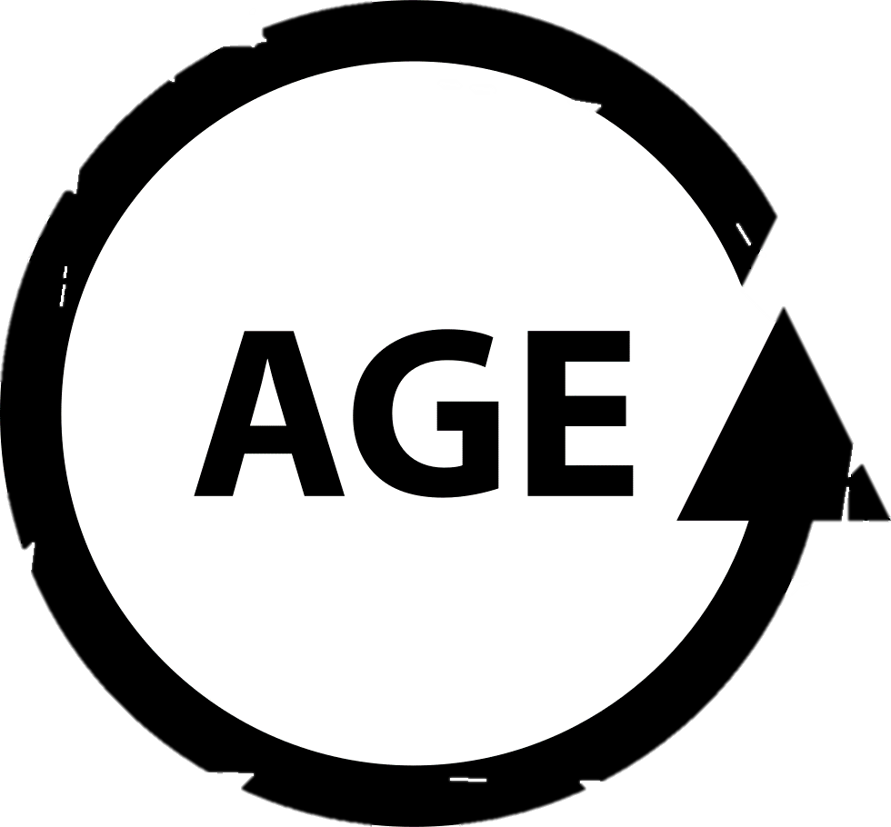



my dashboard
`
 | 2.6 | 1.4
HR ANALYTICS DASHBOARD
JOB SATISFACTION RATING
 | 2.6
 | 1.4
2.6

TOTAL EMPLOYEE
ATTRITION COUNT
AVERAGE AGE
ACTIVE EMPLOYEE
ATTRITION RATE

1470
237
37
1233
16.12%

TOTAL EMPLOYEE BY GENDER
EDUCATION WISE ATTRITION
ATTRITION BY JOB ROLE

 | Total
Doctoral Degree | 5
High School | 31
Associates Degree | 44
Master's Degree | 58
Bachelor's Degree | 99

 | 588
 | 882
 | 588
 | 882

588
882

DEPARTMENT WISE ATTRITION
ATTRITION BY AGE GROUP
ATTRITION BY MARITAL STATUS
FILTER PANEL

 | Total
HR | 12
R&D | 133
Sales | 92
 | Total
Under 25 | 38
Over 55 | 11
45 - 54 | 25
35 - 44 | 51
25 - 34 | 112
EDUCATION FIELD
DEPARTMENT

